Forage crops
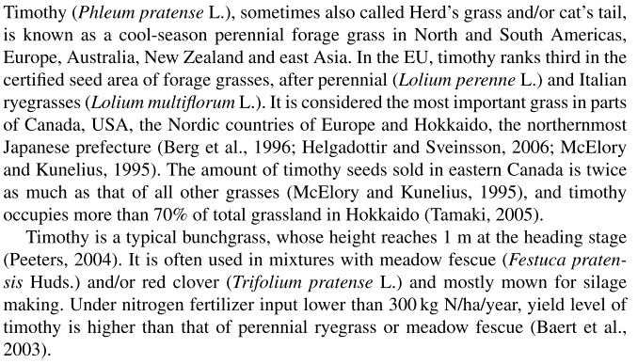
Feed name |  | Alfalfa | Cocksfoot | Timothy | Grass | Fodder other on arable land
Feed name (Feedipedia/ Feedtables/ Other) |  | Alfalfa, aerial part, fresh | Cocksfoot, aerial part, fresh | Timothy (Phleum pratense), aerial part, fresh
URL |  | https://www.feedipedia.org/node/11745 | https://www.feedipedia.org/node/11991 | https://www.feedipedia.org/node/16887

Fraction in pastures |  | 0.00 | 0.50 | 0.50 | 1.00
Fraction in arable forage |  | 0.25 | 0.25 | 0.50 |  | 1.00

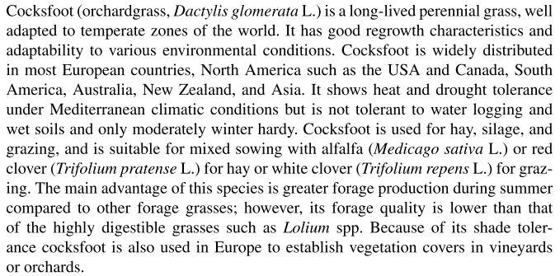
GENERAL | Unit |  |  |  |  |  | Vilka gräs är vanliga i Europeiska betesmarker? | Ryegrass | Cocksfoot
DM (EU standard) | % | 35 | 35 | 35 | 35 | 35
DM | % as fed | 19.9 | 20.7 | 27 | 23.85 | 23.65
Crude protein | % DM | 20.6 | 16.3 | 13.8 | 15.05 | 16.125
Crude fibre | % DM | 26.7 | 29.7 | 31.8 | 30.75 | 30
NDF | % DM | 39.3 | 59.9 | 62.2 | 61.05 | 55.9
ADF | % DM | 30.9 | 32.3 | 34.2 | 33.25 | 32.9
Lignin | % DM | 7.6 | 4.5 | 4.6 | 4.55 | 5.325
Ether extract | % DM | 2.9 | 4.0 | 2.2 | 3.1 | 2.825
Ash | % DM | 11.5 | 9.7 | 8 | 8.85 | 9.3 |  | Fescue
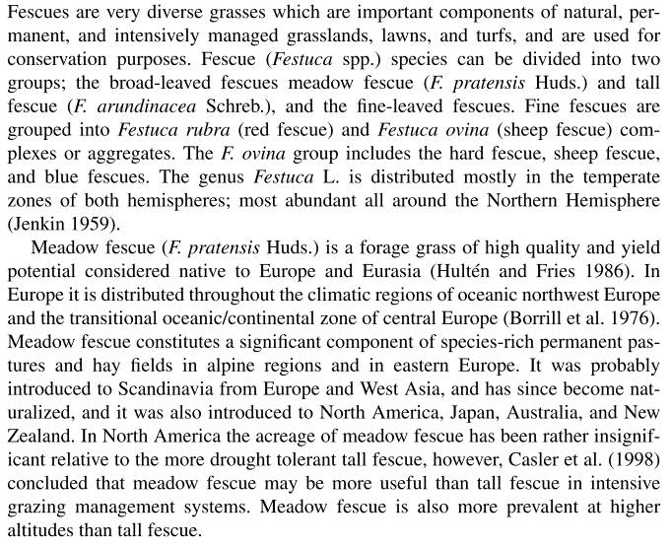
Starch (polarimetry) | % DM | 0.3 |  |  | 0 | 0.075
Total sugars | % DM |  | 10.1 |  | 5.05 | 2.525
Gross energy | MJ/kg DM | 18.1 | 18 | 18.2 | 18.1 | 18.125

AMINO ACIDS
Lysine | % protein | 5.5 | 6.3 |  | 3.15 | 3.0
Metheonin | % protein | 1.6 | 2.2

RUMINANT
ME ruminants | MJ/kg DM | 9.4 | 9.5 | 9.3 | 9.4 | 9.375
Nitrogen digestibility, ruminants | % | 78.5 | 58.9 | 68 | 63.45 | 68.35 |  |  | Timothy

Grass
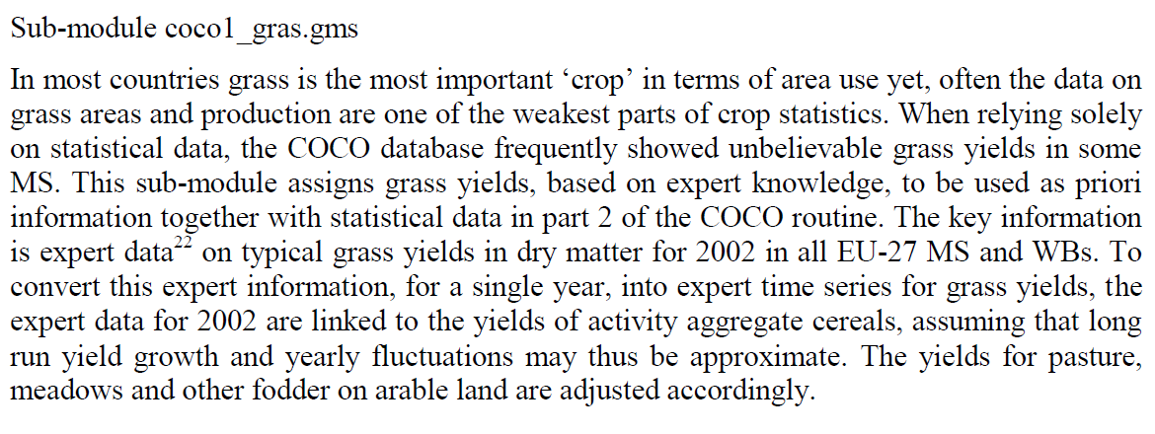
https://doi.org/10.5194/bg-13-3757-2016 |  |  |  |  |  |  |  |  |  | CAPRI documentation
 |  |  |  |  |  |  |  |  | Table 3
 | Grassland area (1000 km2, 2000) |  |  | Mean productivity (kg DM m-2 yr-1) |  |  | Herbage use efficiency (%)
 | Total | Mown | Grazed | Total | Mown | Grazed | Total
Western Europé | 555 | 44 | 522 | 0.35 | 0.85 | 0.31 | 10.6
Eastern Europé | 366 | 93 | 274 | 0.29 | 0.54 | 0.21 | 9.8

 | (1000 ha) |  |  | (t DM ha-1 yr-1) |  |  | Herbage use (t DM ha-1 yr-1)
Western Europé | 55,500 | 4,400 | 52,200 | 3.5 | 8.5 | 3.1 | 0.37 | 0.90 | 0.33
Eastern Europé | 36,600 | 9,300 | 27,400 | 2.9 | 5.4 | 2.1 | 0.29 | 0.53 | 0.21

CAPRI | 60,122 |  |  | 4.43 |  |  | 0.47

Using 89% losses for grass (i.e. 11% herbage-use-efficiency) results in too little energy in feed rations for countries with a lot of
grass in the rations. Using 70% losses for grass (30% use-efficiency) results in more balanced rations.

 |  |  |  |  | 199 | Mt DM | 21.11732
 |  |  |  |  | 108 | Mt DM | 10.56048

